Sheet1
Note: See sheet 2 for notes and TODO list |  |  |  | RED = done adding to HTML

Website |  | Name | Equipment required |  | Targetted muscle |  | Description/Motion
http://www.wikihow.com/Increase-Upper-Body-Strength |  | Bicep curl | dumbbell |  | biceps brachii |  | Hold dumbbells at sides, waist-height
 |  |  |  |  |  |  | Elbows not moving
 |  |  |  |  |  |  | Lift weights up to chest and immediately lower to original position

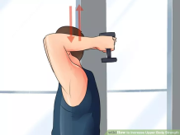
http://www.wikihow.com/Increase-Upper-Body-Strength |  | Tricep extension | dumbbell |  | triceps brachii

 |  |  |  |  |  |  | elbows always bent at 90 degree angle or greater
 |  |  |  |  |  |  | move dumbbell above head, then return to original position

http://www.wikihow.com/Increase-Upper-Body-Strength |  | shoulder press | dumbbell x2 |  | deltoid |  | back straight
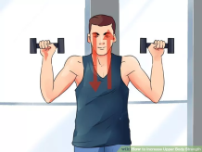

 |  |  |  |  |  |  | maintain bilateral symmetry
 |  |  |  |  |  |  | Lift weight vertically until it's over the head
 |  |  |  |  |  |  | return to original position

http://www.wikihow.com/Increase-Upper-Body-Strength |  | wrist curl | barbell |  | forearm |  | sit and let arms rest on knees, palms facing up
 |  |  |  |  |  |  | curl barbel upward using forearm only
 |  |  |  |  |  |  | don't use biceps brachii
 |  |  |  |  |  |  | return to original position

http://www.wikihow.com/Increase-Upper-Body-Strength |  | chin-up | suspended bar |  | biceps brachii |  | hands grasp bar at slightly-less-than-shoulder-width-apart
 |  |  |  |  | forearm |  | pull upward until chin's elevation equals bar's elevation
 |  |  |  |  | deltoid |  | you mustn't shake uncontrollably
 |  |  |  |  | latissimus dorsi

http://www.wikihow.com/Increase-Upper-Body-Strength |  | bench press | bench press mechanism |  | pectoralis major |  | arms at 90 degrees to body
 |  |  | spotter |  | pectoralis minor |  | lower weight vertically until it barely touches chest
 |  |  |  |  | deltoid
 |  |  |  |  | triceps brachii
 |  |  |  |  | rectus abdominis

http://www.wikihow.com/Increase-Upper-Body-Strength |  | chest fly | 2x dumbbell |  | unknown |  | lay down (face up) on bench
 |  |  | horizontal bench |  |  |  | arms outward parallel to the frontal plane containing body
 |  |  |  |  |  |  | elbows slightly bent
 |  |  |  |  |  |  | elbows don't move
 |  |  |  |  |  |  | bring dumbbells medially until they are in front of chest
 |  |  |  |  |  |  | variation: do this exercise on an inclined/declined bench to exercise different parts of the chest

http://www.wikihow.com/Increase-Upper-Body-Strength |  | pushup | none |  | pectoralis major |  | palms directly underneath shoulders when depressed
http://www.md-health.com/What-Muscles-Do-Push-Ups-Work.html |  |  |  |  | deltoid |  | variation: palms slightly wider than shoulder width and next to chest when in depressed position
http://www.builtlean.com/2011/02/23/how-to-proper-push-up-form/ |  |  |  |  | triceps brachii |  | feet close together OR far apart
http://www.livestrong.com/article/111541-muscles-diamond-pushups-work/ |  |  |  |  | serratus anterior |  | maintain linearity of body & legs by tensing abdominals
http://www.livestrong.com/article/537593-what-do-decline-and-incline-pushups-work-on/ |  |  |  |  | abdominals |  | the only part of the foot that touches the ground is the toes
 |  |  |  |  |  |  | head in same frontal plane as body
 |  |  |  |  |  |  | shoulders not scrunched up near head
 |  |  |  |  |  |  | depress until chest barely touches ground or is 1 inch above ground
 |  |  |  |  |  |  | palm-shoulder-elbow plane should be parallel to sagittal plane of body
 |  |  |  |  |  |  | fingers can be flared
 |  |  |  |  |  |  | exhale up depress and inhale upon restore

 |  |  |  |  |  | variations:
 |  |  |  |  |  |  | wide grip: hands wider than shoulder width (as wide as you want to); targets chest and shoulders
 |  |  |  |  |  |  | incline: hands are propped up on elevated surface; targets sternal head of pectoralis major and lower chest
 |  |  |  |  |  |  | decline: feet are propped up on elevated surface; targets upper chest and shoulders
 |  |  |  |  |  |  | one arm: #TODO
 |  |  |  |  |  |  | T-shaped: #TODO
 |  |  |  |  |  |  | weight on back: #TODO
 |  |  |  |  |  |  | diamond: index fingers and thumbs form a diamond shape directly underneath chest; focuses on triceps brachii
 |  |  |  |  |  |  | clap: upon depressed position, push up hard and then clap once and immediately assume original position
 |  |  |  |  |  |  | easy: knees touching floor instead of toes
 |  |  |  |  |  |  | spiderman: #TODO

http://www.wikihow.com/Increase-Upper-Body-Strength |  | pullup | suspended bar |  | latissimus dorsi |  | palms facing away and shoulder width apart
 |  |  |  |  | trapezius |  | chest should touch bar when at top position
 |  |  |  |  | other misc back muscles |  | variation: palms further apart focus less on arms and more on back
 |  |  |  |  | pectoralis major
 |  |  |  |  | pectoralis minor
 |  |  |  |  | deltoid
 |  |  |  |  | abdominals???

http://www.wikihow.com/Increase-Upper-Body-Strength |  | pulldown | pulldown mechanism |  | unknown |  | lean back and pull downward diagonally

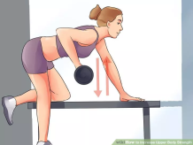
http://www.wikihow.com/Increase-Upper-Body-Strength |  | rows | bench |  | back
 |  |  | dumbbell

 |  |  |  |  |  |  | back straight and parallel to floor
 |  |  |  |  |  |  | keep upper torso motionless
 |  |  |  |  |  |  | pull dumbbell upward until it's at chest elevation
 |  |  |  |  |  |  | lower dumbbell until arm points straight down
 |  |  |  |  |  |  | use back muscles instead of arm muscles

http://www.wikihow.com/Increase-Upper-Body-Strength |  | overhead slam | medicine ball |  | latissimus dorsi |  | stand straight
 |  |  |  |  |  |  | raise medicine ball above body while fully extending body upward
 |  |  |  |  |  |  | slam ball down in front of you
 |  |  |  |  |  |  | catch ball when it bounces back up
 |  |  |  |  |  |  | repeat

http://www.wikihow.com/Increase-Upper-Body-Strength |  | deadlift | deadlift bar mechanism |  | lower back |  | deadlift bar directly above the balls of your feet
http://stronglifts.com/deadlift/ |  |  |  |  | gluteus maximum |  | feet are shoulder-width (or hip width) apart
 |  |  |  |  | quadriceps |  | bend down and grab the bar
 |  |  |  |  |  |  | grab the bar with both palms facing toward you
 |  |  |  |  |  |  | variation: one hand facing away and one hand facing toward
 |  |  |  |  |  |  | distance between hands is more than shoulder width (or equal to shoulder width)
 |  |  |  |  |  |  | squat down until your tibia touches the bar
 |  |  |  |  |  |  | straighten back
 |  |  |  |  |  |  | stand up
 |  |  |  |  |  |  | hips back
 |  |  |  |  |  |  | lower bar until it is at knee elevation
 |  |  |  |  |  |  | bend knees until bar reaches floor
 |  |  |  |  |  |  | release weight
 |  |  |  |  |  |  | bar's motion should be completely vertical
 |  |  |  |  |  |  | elbows always locked straight
 |  |  |  |  |  |  | don't squeeze shoulder blades
 |  |  |  |  |  |  | only inhale/exhale at the top of the deadlift or at the bottom of the deadlift
 |  |  |  |  |  |  | variation: hold breath for the duration of the deadlift

http://www.bodybuilding.com/exercises/detail/view/name/sit-up |  | sit ups | none |  | abdominals |  | make sure feet won't move
 |  |  |  |  |  |  | hands on head. Can clasp fingers
 |  |  |  |  |  |  | variation: cross arms in front of body and grasp opposite shoulder
 |  |  |  |  |  |  | lie down facing up
 |  |  |  |  |  |  | breathe out when coming up
 |  |  |  |  |  |  | inhale when going down
 |  |  |  |  |  |  | come up until torso is vertical
 |  |  |  |  |  |  | do not use upward momentum when moving
 |  |  |  |  |  |  | keep lower back planted on ground
 |  |  |  |  |  |  | keep head in same frontal plane as torso

http://www.bodybuilding.com/exercises/detail/view/name/crunches |  | crunch | none |  | abdominals |  | same as sit-up except:
 |  |  |  |  |  |  | knees in air
 |  |  |  |  |  |  | thoracic vertebrae come off floor but lumbar stays on floor

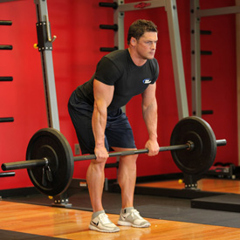
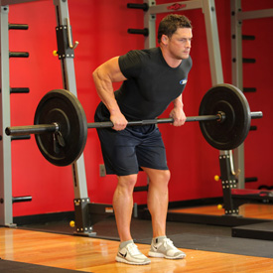
http://www.bodybuilding.com/exercises/detail/view/name/bent-over-barbell-row |  | bent over barbel row | barbell OR dumbbell |  | middle back

 |  |  |  |  |  |  | back straight, back nearly parallel to floor
 |  |  |  |  |  |  | exhale when lifting barbell
 |  |  |  |  |  |  | inhale when lowering barbell
 |  |  |  |  |  |  | back is stationary
 |  |  |  |  |  |  | knees slightly bent
 |  |  |  |  |  |  | arms completely vertical
 |  |  |  |  |  |  | topmost barbell elevation is between stomach and chest
 |  |  |  |  |  |  | feet are shoulder width apart
 |  |  |  |  |  |  | hands grip barbell at slightly wider than shoulder width
 |  |  |  |  |  |  | bottommost position is when barbell is at knee elevation
 |  |  |  |  |  |  | squeeze shoulder blades together when at topmost position
 |  |  |  |  |  |  | can alternatively do this exercise with 2 dumbbells

http://www.bodybuilding.com/exercises/detail/view/name/flat-bench-lying-leg-raise |  | lying leg raise | none |  | abdominals |  | lie down on back
 |  |  |  |  |  |  | hands underneath glutes (supine/prone irrelevant)
 |  |  |  |  |  |  | legs straight
 |  |  |  |  |  |  | raise legs until perpendicular to body
 |  |  |  |  |  |  | exhale when lifting legs
 |  |  |  |  |  |  | inhale when lowering legs
 |  |  |  |  |  |  | variation: hold dumbbell btwn legs to make it more difficult
 |  |  |  |  |  |  | knees slightly bent but locked
 |  |  |  |  |  |  | don't arch your back

None |  | plank | none |  | abdominals |  | face down on ground
 |  |  |  |  |  |  | support body via forearms
 |  |  |  |  |  |  | straight back
 |  |  |  |  |  |  | hold this position for 2 minutes without breaking posture
 |  |  |  |  |  |  | Can also do crab-style (lying backward) or on either side

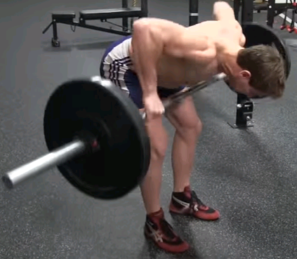
https://stronglifts.com/barbell-row/#Muscles_Worked |  | pendlay row | barbell |  | latissimus dorsi
 |  |  |  |  | trapezius
 |  |  |  |  | lower back
 |  |  |  |  | deltoid
 |  |  |  |  | biceps brachii
 |  |  |  |  | gluteus maximus
 |  |  |  |  | hamstring

 |  |  |  |  |  |  | Feet shoulder width apart
 |  |  |  |  |  |  | hands grip barbell such that Lhand-Lleg-Rleg-Rhand form thirds
 |  |  |  |  |  |  | toes rotated laterally
 |  |  |  |  |  |  | torso is at any angle between horizontal and 15 degrees above the horizontal
 |  |  |  |  |  |  | butt backwards
 |  |  |  |  |  |  | knees slightly bent
 |  |  |  |  |  |  | feet underneath barbell such that when torso is bent over, barbell is vertically beneath nipples
 |  |  |  |  |  |  | barbell touches the floor after every rep
 |  |  |  |  |  |  | one second rest between reps
 |  |  |  |  |  |  | inhale while pulling up
 |  |  |  |  |  |  | exhale while lowering weight
 |  |  |  |  |  |  | raise barbell very quickly
 |  |  |  |  |  |  | release barbell somewhat quickly but slower than the weight was elevated

http://www.bodybuilding.com/exercises/detail/view/name/bent-over-two-dumbbell-row |  | Bent over dumbbell row | 2 dumbbells |  | lower back |  | feet shoulder width apart
 |  |  |  |  |  |  | torso is 30 degrees above horizontal
 |  |  |  |  |  |  | arms hang downward perpendicular to floor
 |  |  |  |  |  |  | keep torso stationary throughout this exercise
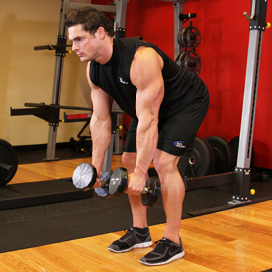
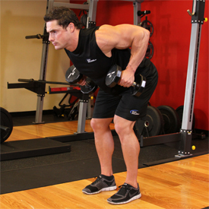

 |  |  |  |  |  |  | breathe out when elevating weights, and inhale when lowering weights
 |  |  |  |  |  |  | keep elbows close to body

http://www.dumbbell-exercises.com/exercises/back/ |  | Back fly | back |  | 2 dumbbells |  | Lie face down on bench
 |  |  |  |  |  |  | elbows at 90 degree angles
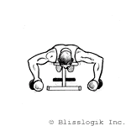
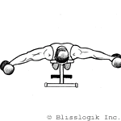

 |  |  |  |  |  |  | Straighten elbows and revert
 |  |  |  |  |  |  | exhale when raising dumbbells and inhale when lowering dumbbells

http://www.bodybuilding.com/exercises/detail/view/name/alternating-deltoid-raise |  | Alternating deltoid raise | deltoids |  | 2 dumbbells |  | Body and legs vertical
 |  |  |  |  |  |  | Keeping arms straight, raise dumbbells forward and revert
 |  |  |  |  |  |  | Keeping arms straight, raise dumbbells laterally and revert
 |  |  |  |  |  |  | Lift until dumbbells are shoulder-height

http://www.bodybuilding.com/exercises/detail/view/name/around-the-worlds |  | Around the world | pectoralis major |  | 2 dumbbells |  | Lay on back on bench
 |  |  |  |  |  |  | grip dumbbells in the frontal plane of body
 |  |  |  |  |  |  | keep elbows slightly bent
 |  |  |  |  |  |  | Keeping the bend of elbows constant, move both arms up over head
 |  |  |  |  |  |  | Elbows must remain in frontal plane of body at all times
 |  |  |  |  |  |  | Palms up at all times

http://www.bodybuilding.com/exercises/detail/view/name/dumbbell-lunges |  | Lunge | quadriceps |  | (optional) 2 dumbbells |  | when in the lowered position, the two knees should be approx 90 degrees
 |  |  |  |  |  |  | Using heel, lift leg
 |  |  |  |  |  |  | front knee should never be in front of front foot's toes
 |  |  |  |  |  |  | rear knee should BARELY touch ground
 |  |  |  |  |  |  | hold dumbbells vertically downward while lunging

https://www.youtube.com/watch?v=aeZvEJxhRK4&t=7m36s |  | Upright Row | lateral deltoids |  | 2 dumbbells OR 2 plates |  | don't squeeze shoulder together
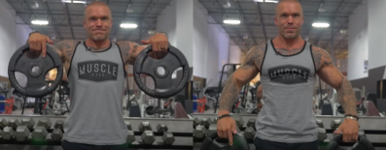

https://www.cheatsheet.com/health-fitness/the-best-10-minute-back-workout-you-can-do-with-no-equipment.html/ |  | Supermans | glutes, hamstring, lower back, shoulders |  | none |  | Facedown flat on ground, feet together and straight, hands forward and arms straight like diving
 |  |  |  |  |  |  | lift hands and feet as high as possible, squeezing glutes and abs and arms
 |  |  |  |  |  |  | always keep neck collinear with spine
 |  |  |  |  |  |  | hold lifted position for a few seconds, then lower arms and legs

https://www.stack.com/a/why-you-should-be-performing-scapula-push-ups |  | scapular push up | serratus anterior |  | none |  | start with pushup lifted position
 |  |  |  |  |  |  | push chest out but keep arms extended, squeezing shoulder blades together
 |  |  |  |  |  |  | revert to original position

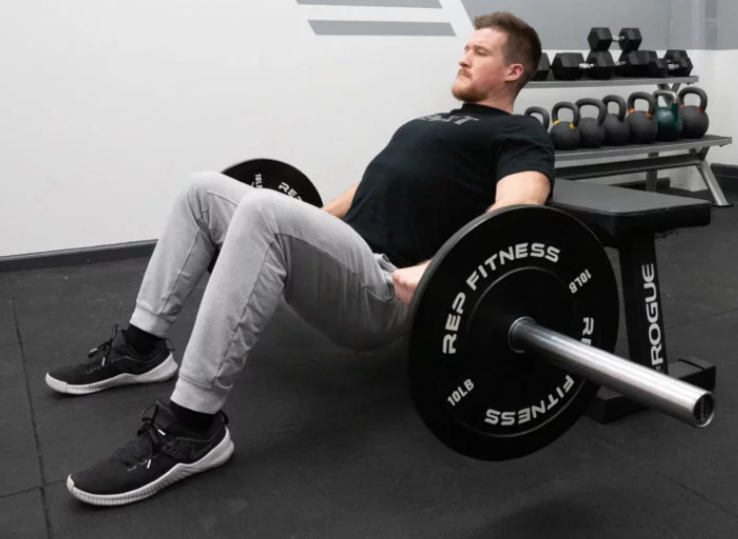
https://barbend.com/hip-thrust/ |  | Hip Thrust | glutes |  | bench, [barbell or other weight]

 |  |  |  |  |  |  | Lie back onto bench, with shoulder blades touching the bench
 |  |  |  |  |  |  | Feet flat onto ground
 |  |  |  |  |  |  | Apply pressure via heels rather than toes
 |  |  |  |  |  |  | neck is always in line with spine
 |  |  |  |  |  |  | Place barbell in crotch
 |  |  |  |  |  |  | Lift crotch so that my body is a straight line between knees and shoulders
 |  |  |  |  |  |  | revert to original position
 |  |  |  |  |  |  | BTW Feet posture: feet are directly beneath knees, such that knees are bent at 90 degree angle when body is lifted

#website |  | #exerciseName | #musclesWorked |  | #equipRequired |  | # notes
 | Note: See sheet 2 for notes and TODO list

Sheet3
 |  | http://greatist.com/move/whats-ideal-warm-up
warm-up exercises: | foam rolling: #TODO | http://www.bodybuilding.com/fun/9-fun-and-effective-ways-to-warm-up.html
 | lunges (perhaps carrying a barbel atop shoulders and behind head)
 | toe touch
 | high knees: jog in place while raising knees high]
 | hand walk: feet on large rubber exercise ball while body is horizontal and facing down. "Walk" forward using hands.
 | jump rope
 | single-leg deadlift: grasping kettlebell in left hand, SLOWLY lean over and reverse, keeping right leg straight (or slightly bent). Pivot at hip.
 | bent-over barbell row: see image; back straight. Only the arms move.
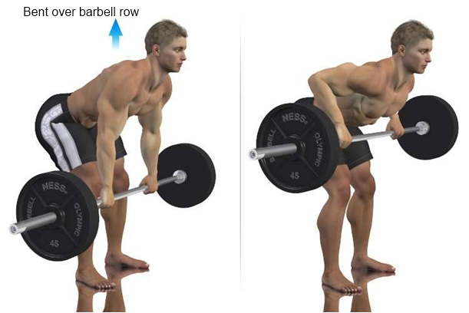
 | jumping jacks
 | yoga
 | arm circles
 | side squat: bending one knee at a time and body moving in the bent knee's direction
 | carioca: tennis/badminton footwork -- shuffling to the side while feet go forward and backward
 | leg swing: kick forward and backward using only right leg while the rest of the body remains stationary upright
 | [cross-body] leg swing: like "leg swing" but kicking to the side while facing forward
 | jumping lunges

